Sheet1
BOSCOVS

PICK TICKET CHECK LIST |  |  |  | PO# | 693444

 |  |  |  |  | PT# 1760131 - 1760154

TICKETING |  |  |  | PROVIDED BY: | PLEASE CREATE BARTENDER
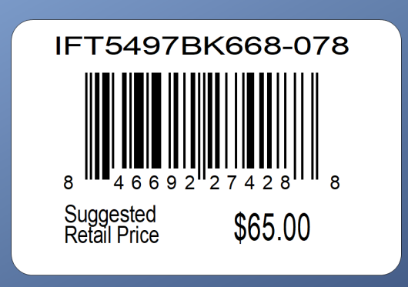

 |  |  | DEPT. 00138 | DC 00015
ROUTING |  |  | PLEASE ROUTE THIS ORDER
 |  |  | WITH LOGICBROKER

PACKING INSTRUCTIONS: | PACK BY STORE
 | UCC LABELS

OUR STYLE# | QTY | CUSTOMER STYLE | UPC# | RETAIL PRICE | BOX-CODE
MILLERB-CMA | 12 | MILLERB-CMA |  | $319.92
MILLERB-CMA | 12 | MILLERB-CMA |  | $319.92
MILLERB-CMA | 12 | MILLERB-CMA |  | $319.92
MILLERB-CMA | 12 | MILLERB-CMA |  | $319.92
MILLERB-CMA | 12 | MILLERB-CMA |  | $319.92
MILLERB-CMA | 12 | MILLERB-CMA |  | $319.92
MILLERB-CMA | 12 | MILLERB-CMA |  | $319.92
MILLERB-CMA | 12 | MILLERB-CMA |  | $319.92
MILLERB-CMA | 12 | MILLERB-CMA |  | $319.92
MILLERB-CMA | 12 | MILLERB-CMA |  | $319.92
MILLERB-CMA | 18 | MILLERB-CMA |  | $319.92
MILLERB-CMA | 12 | MILLERB-CMA |  | $319.92
MILLERB-CMA | 12 | MILLERB-CMA |  | $319.92
MILLERB-CMA | 12 | MILLERB-CMA |  | $319.92
MILLERB-CMA | 12 | MILLERB-CMA |  | $319.92
MILLERB-CMA | 18 | MILLERB-CMA |  | $319.92
MILLERB-CMA | 12 | MILLERB-CMA |  | $319.92
MILLERB-CMA | 12 | MILLERB-CMA |  | $319.92
MILLERB-CMA | 12 | MILLERB-CMA |  | $319.92
MILLERB-CMA | 12 | MILLERB-CMA |  | $319.92
MILLERB-CMA | 12 | MILLERB-CMA |  | $319.92
MILLERB-CMA | 12 | MILLERB-CMA |  | $319.92
MILLERB-CMA | 12 | MILLERB-CMA |  | $319.92
MILLERB-CMA | 12 | MILLERB-CMA |  | $319.92

